Manual
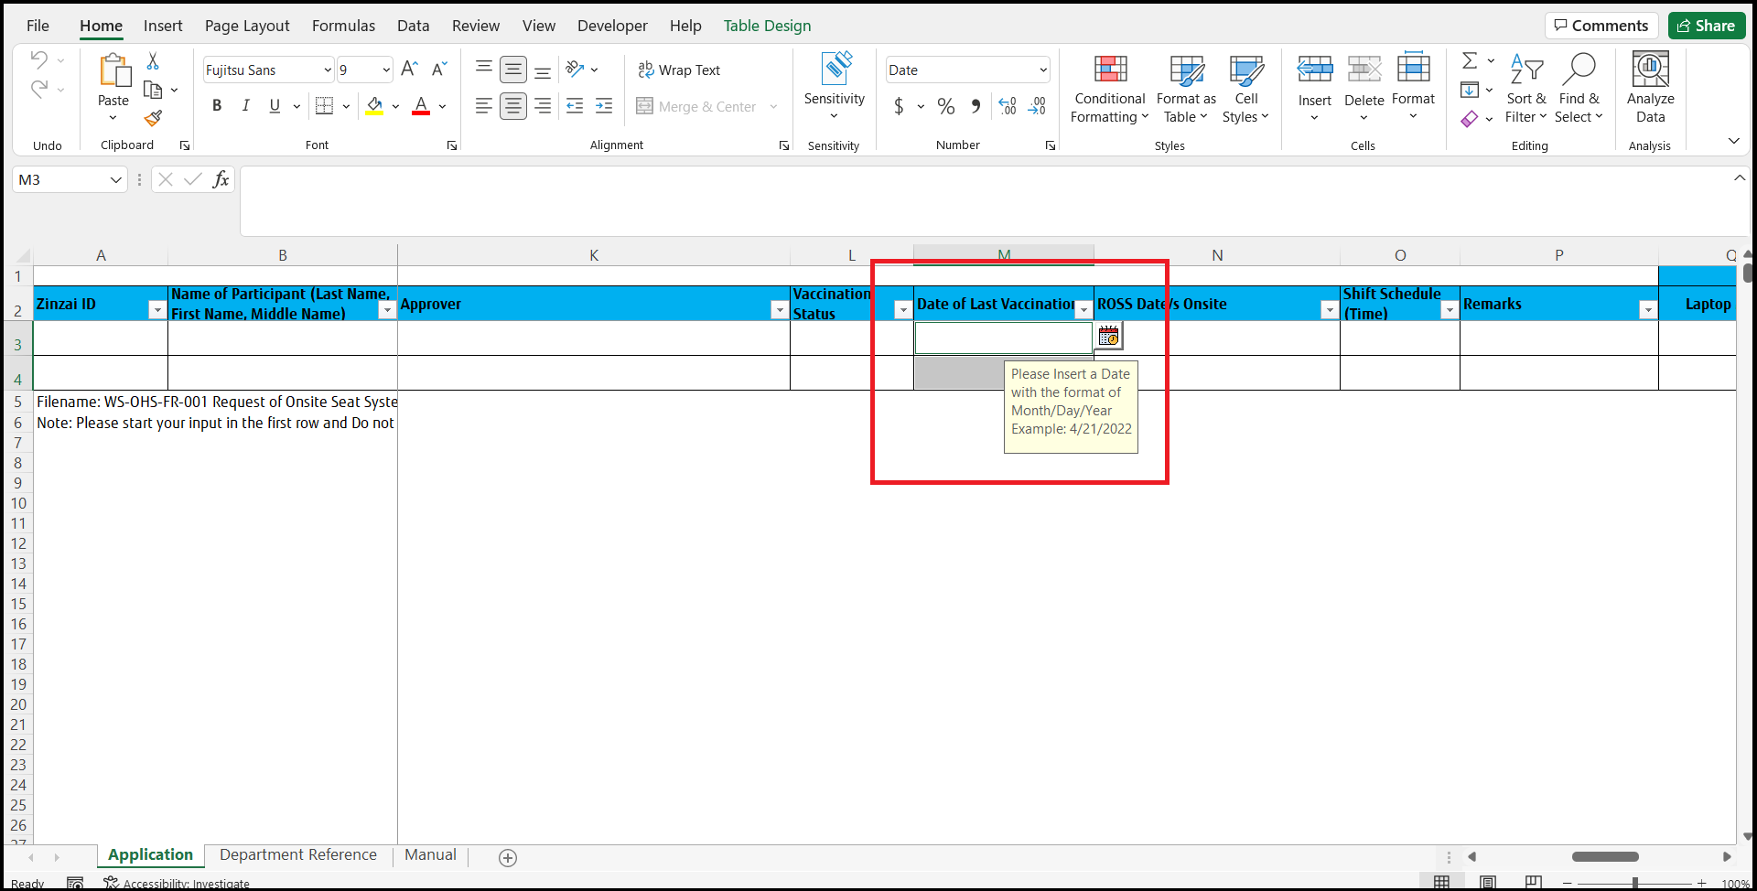
Things to keep in mind when working with the Excel sheet

1.0 Users must use a clean version of the Request of Onsite Seat System Application Form Excel file for every upload

2.0 Users must use the file naming convention below for the Request of Onsite Seat System Application Form Excel file

3.0 Please make sure to check if the email format is correct for the "Employee Email" and "Managers Email" fields

4.0 Input the proper date format for these fields, the format being month/day/year

5.0 Please make sure to check if all rows are within the table to prevent the flow from failing, the blue bottom right hand corner
indicates the end of the table

5.1 If rows are not part of the table, drag down the blue bottom right hand corner to the end of the row

6.0 Do not copy paste data from Excel online to Excel desktop application, if needed download the Excel online file and open it
using the Excel desktop application and copy paste from there

7.0 Check to see if there are any duplicate entries for the specific fields (Zinzai ID, Laptop Asset Tag, Power Adapter Serial Number),
cells will be marked in red if there are duplicates. If there is no Laptop Asset Tag please indicate in the remarks cell

8.0 Select a cell and click the button that hovers to the right of the “Date of Last Vaccination” and “ROSS Date/s Onsite” fields.

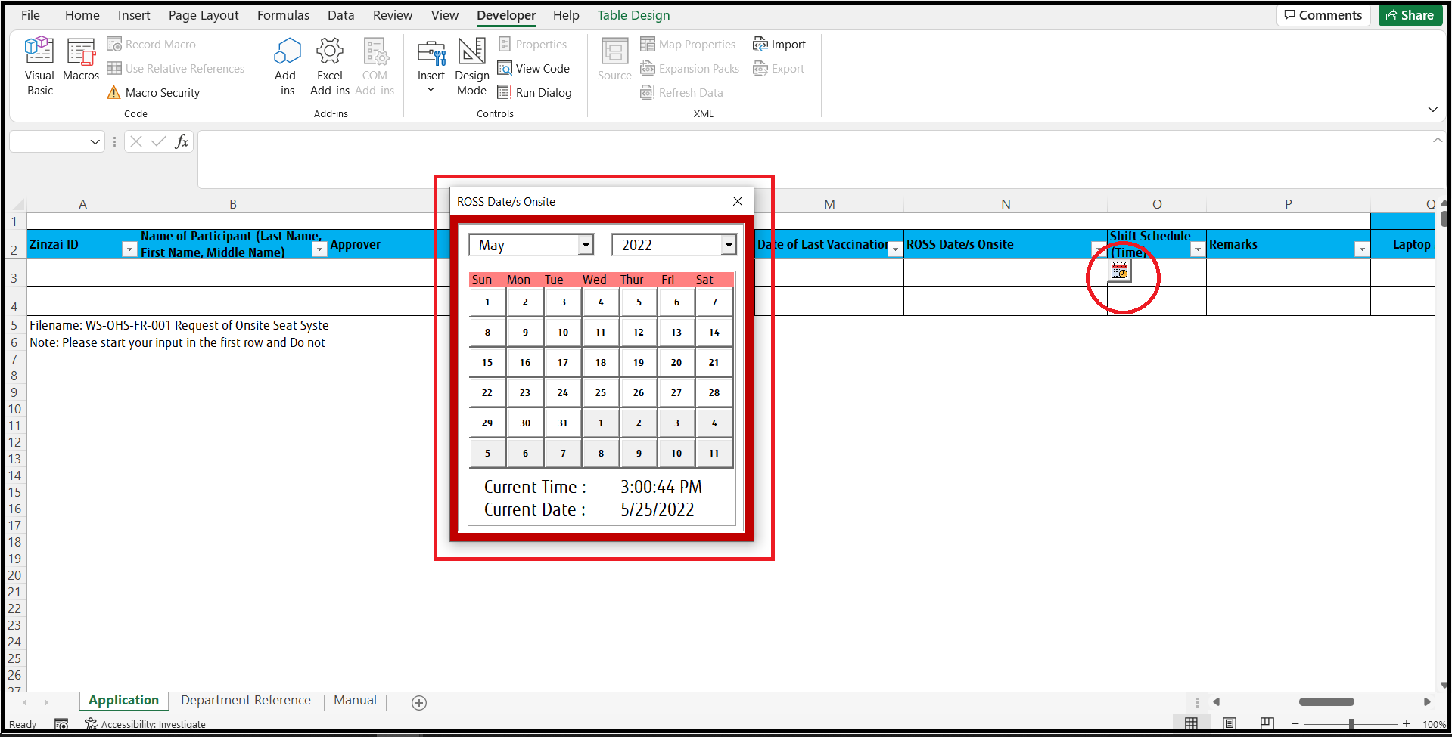

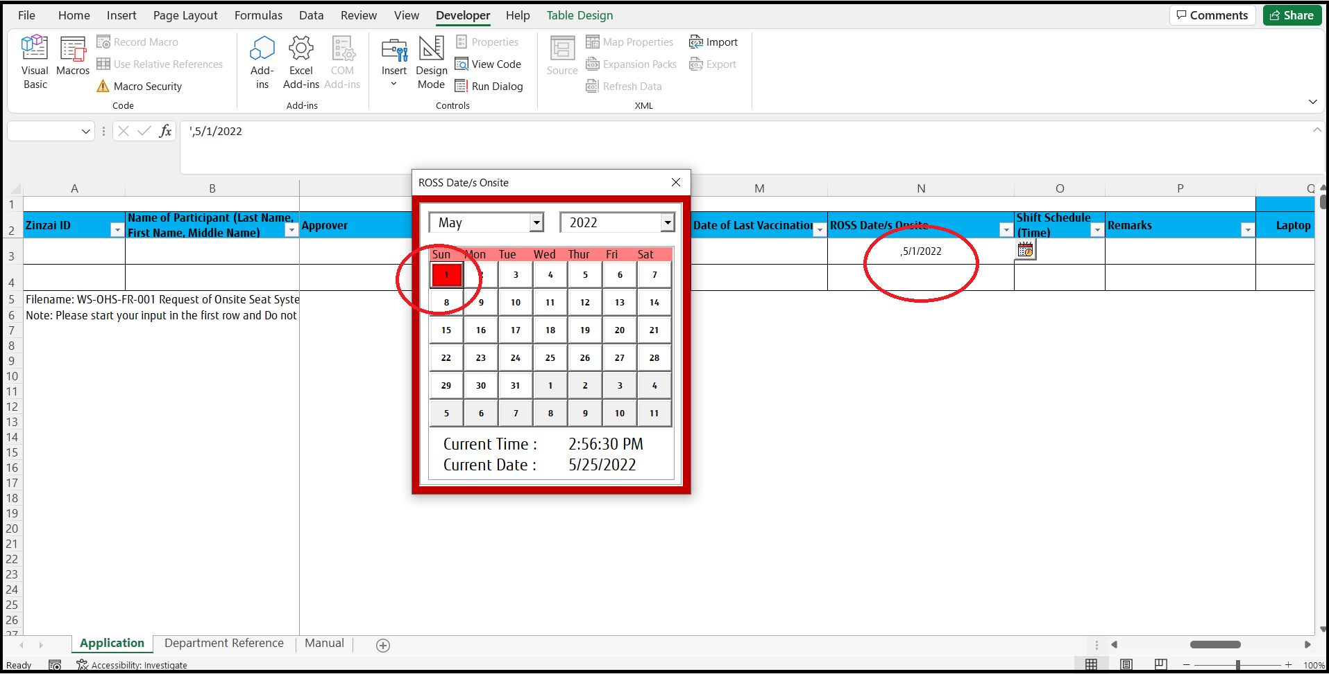

9.0 To insert multiple dates hold the “Ctrl” key and select multiple cells then click the date picker button.

